Cover Page
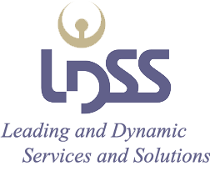

Commercial Rate Catalog
LDSS provides discounts for services performed exclusively at your client site versus our LDSS site.
Substantial rate discounts are available for Premium, US Federal Government, and US Department of Defense customers
based upon volume, quantity, and length of engagement to name a few discount qualifiers

 | NAICS Codes: 541330, 541512, 541519, 541611,
 | 541614, 541618, 541712, and 561110

 | DUNS: 788088594
 | Cage Code: 4LNA0

 | Revision effective 1 April 2016

